RU_i-n_smple.ID.correc
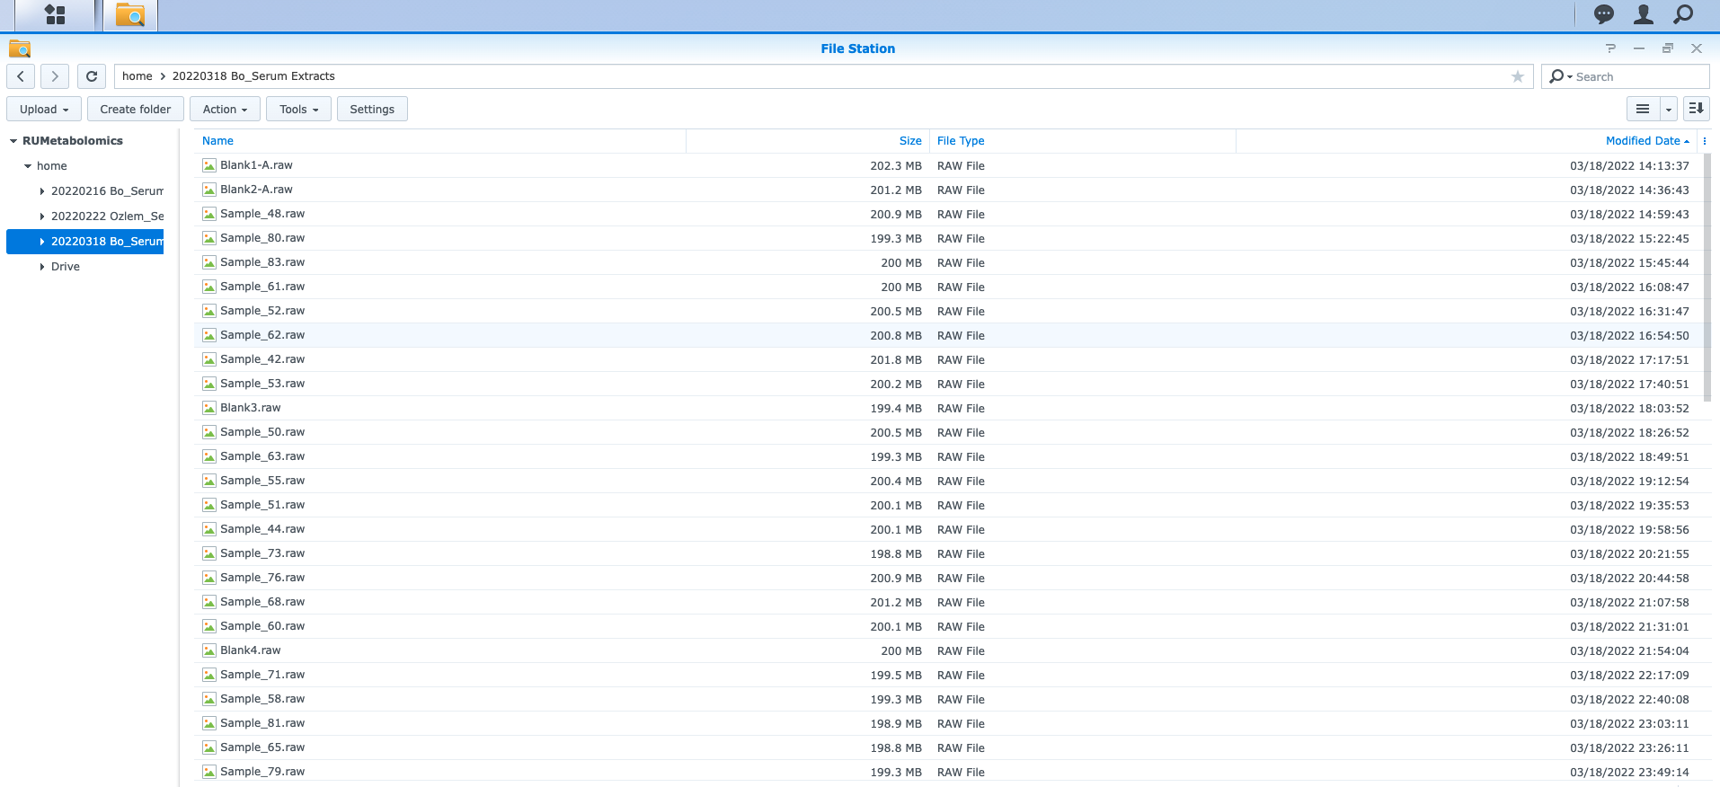
Sample | Actual sample | Sample | Actual sample
Blank1-A | 48 | 35 | Blank6
Blank2-A | 80 | 36 | Blank7
48 | 83 | 37 | 72
80 | 61 | 38 | 77
83 | 52 | 39 | 45
61 | 62 | 40 | 82
52 | 42 | 41 | 38
62 | 53 | 42 | Blank3
42 | Blank3 | 43 | 64
53 | 50 | 44 | 76
Blank3 | 63 | 45 | 85
50 | 55 | 46 | 84
63 | 51 | 47 | 37
55 | 44 | 48 | 83
51 | 73 | 49 | 56
44 | 76 | 50 | 55
73 | 68 | 51 | 73
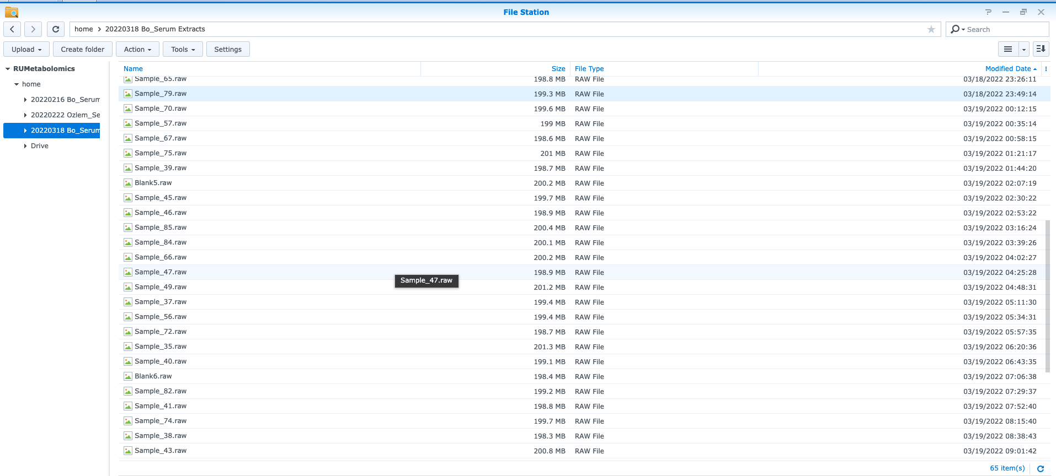
76 | 60 | 52 | 42
68 | Blank4 | 53 | 50
60 | 71 | 54 | Blank8
Blank4 | 58 | 55 | 44
71 | 81 | 56 | 35
58 | 65 | 57 | 75
81 | 79 | 58 | 65
65 | 70 | 59 | 36
79 | 57 | 60 | 71
70 | 67 | 61 | 62
57 | 75 | 62 | 53
67 | 39 | 63 | 51
75 | Blank5 | 64 | 78
39 | 45 | 65 | 70
Blank5 | 46 | 67 | 39
45 | 85 | 66 | 49
46 | 84 | 68 | Blank4
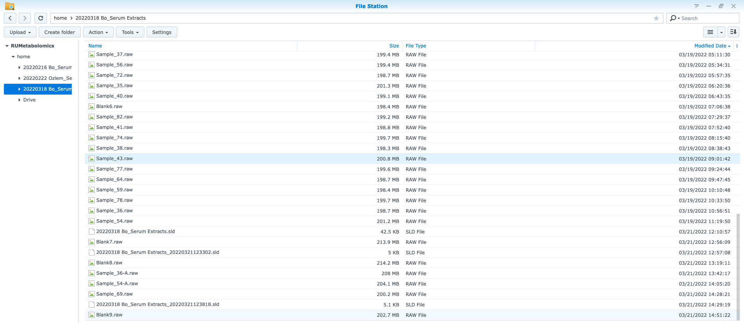
85 | 66 | 69 | 69
84 | 47 | 70 | 67
66 | 49 | 71 | 81
47 | 37 | 72 | 40
49 | 56 | 73 | 68
37 | 72 | 74 | 43
56 | 35 | 75 | Blank5
72 | 40 | 76 | 60
35 | Blank6 | 77 | 59
40 | 82 | 78 | 54
Blank6 | 41 | 79 | 57
82 | 74 | 80 | 61
41 | 38 | 81 | 79
74 | 43 | 82 | 74
38 | 77 | 83 | 52
43 | 64 | 84 | 47
77 | 59 | 85 | 66
64 | 78 | 36-A | 36-A | MS labeled 36-A and 59 is the same injection.
59 | 36 | 54-A | 54-A | MS labeled 54-A and 78 is the same injection.
78 | 54 | Blank1-A | 48
36 | Blank7 | Blank2-A | 80
54 | Blank8 | Blank3 | 63
Blank7 | Blank7 | Blank4 | 58
Blank8 | Blank8 | Blank5 | 46
36-A | 36-A | Blank6 | 41
54-A | 54-A | Blank7 | Blank7
69 | 69 | Blank8 | Blank8

